Sheet5
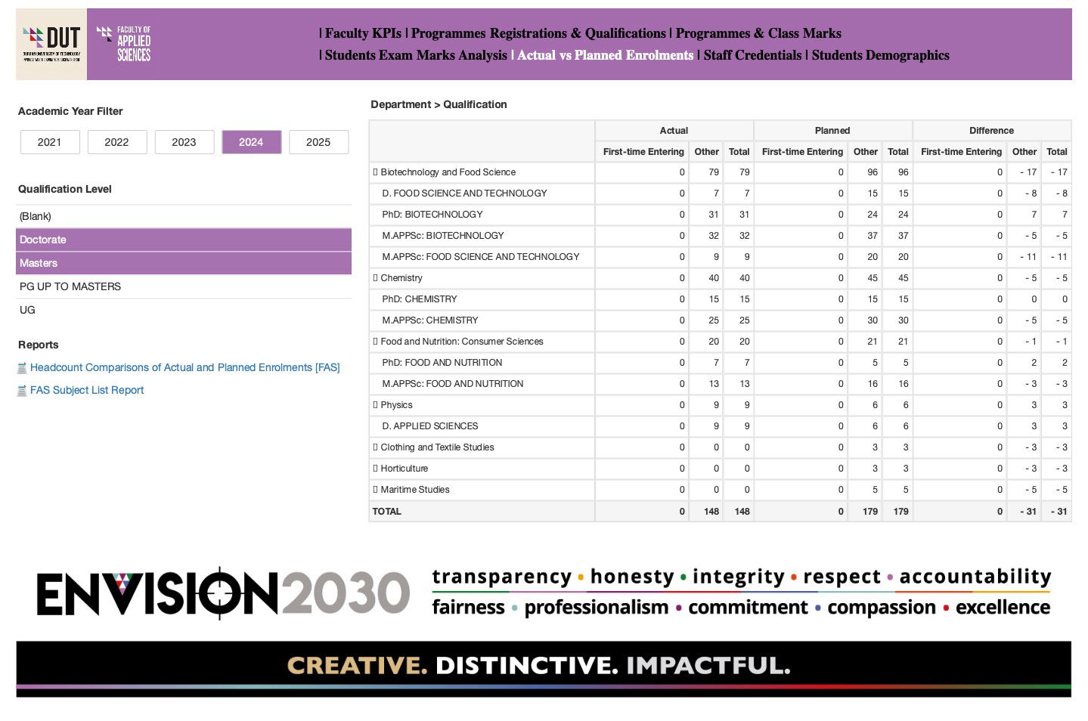
Postgraduate Enrolment 2024

Sheet6
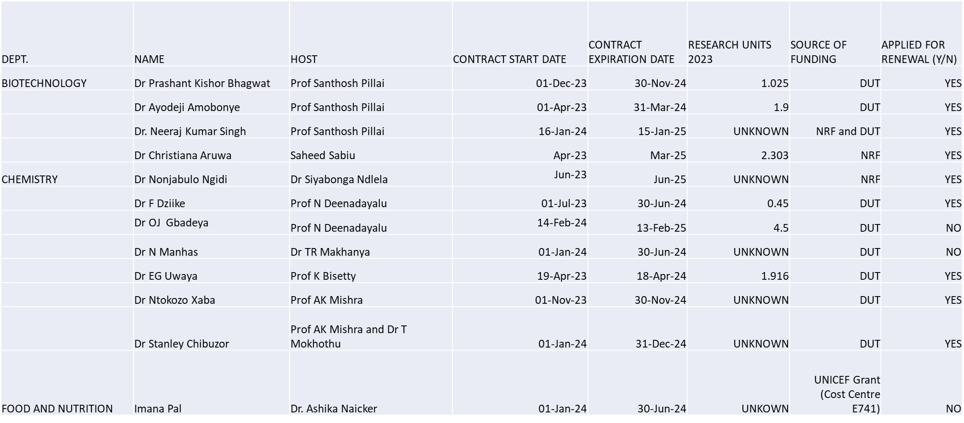
Current Postdoctoral Fellows

Sheet7
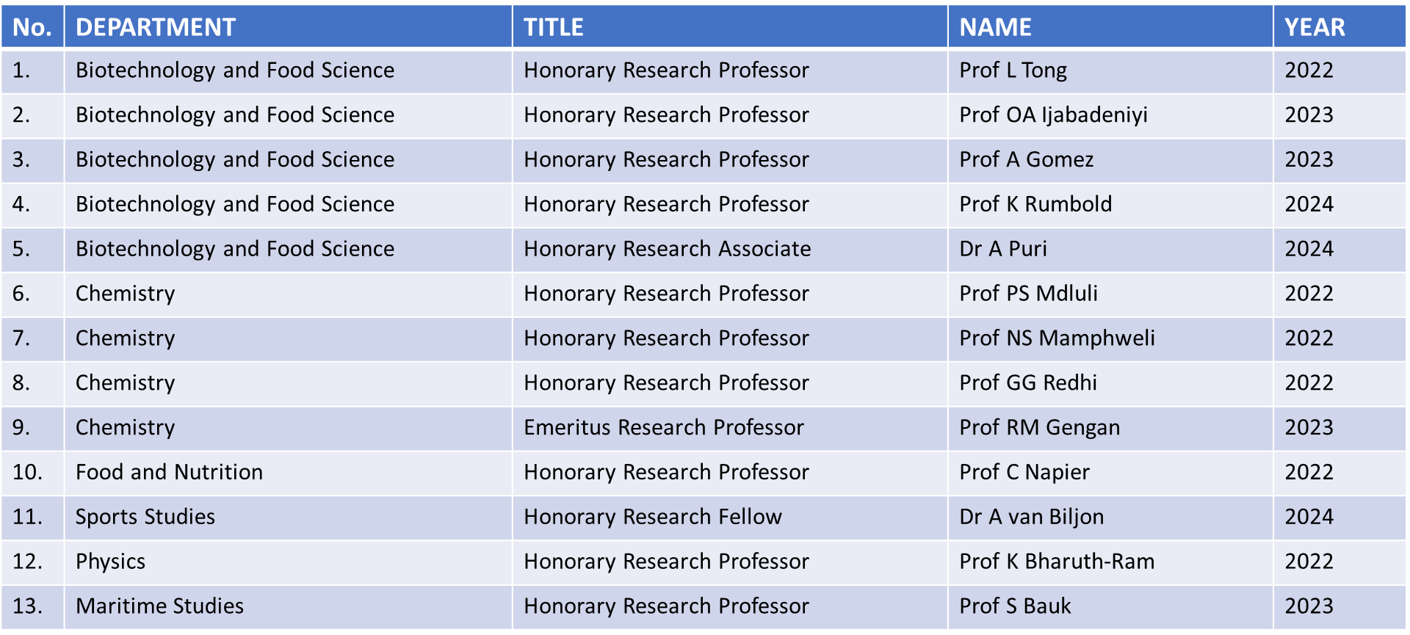
Emeritus/Honorary/Adjunct Professors

Sheet8
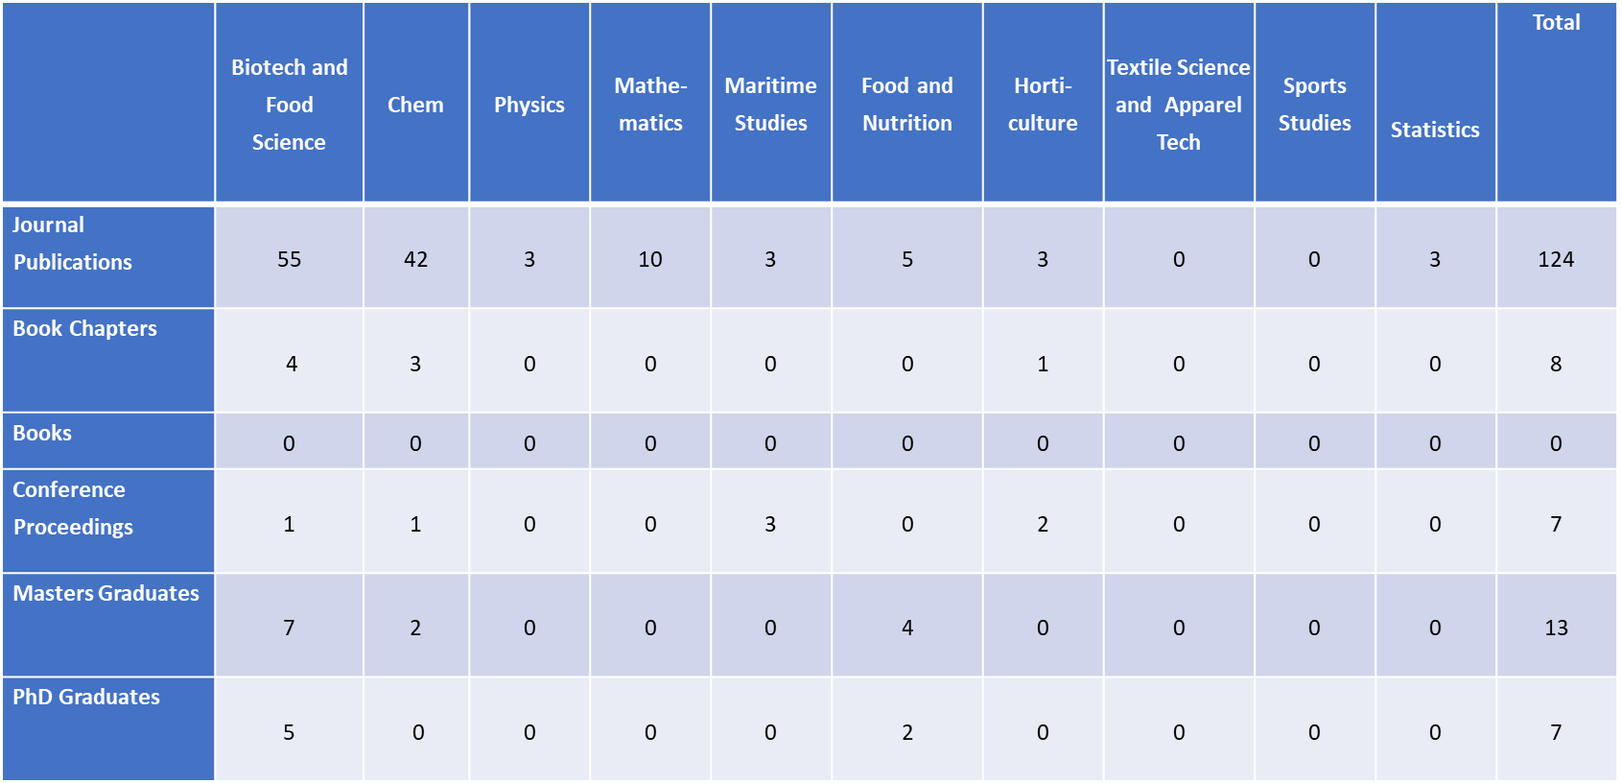
Departmental Research Outputs 2023

